Summary
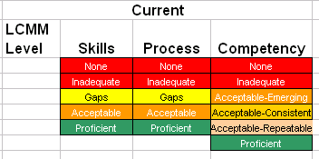
 |  |  |  |  | Current |  |  |  | Future
LCMM Level | Current Skill Level | Desired Skill Level | Current Assessment | Future Assessment | LCMM Level | Skills | Process | Competency | Skills | Process | Competency
1 | 0 | 0 | None | None | 1 | None | None | None | None | None | None
2 | 0 | 0 | None | None | 2 | None | None | None | None | None | None
3 | 0 | 0 | None | None | 3 | None | None | None | None | None | None
4 | 0 | 0 | None | None | 4 | None | None | None | None | None | None
5 | 0 | 0 | None | None | 5 | None | None | None | None | None | None

 | 0 | 0

 |  |  |  |  | Sample Color Scoring

Color Code

